1. Title Page
Instacart Basket Analysis

Project Name: Instacart Basket Analysis
Date: 12/10/2021
Analyst Name: Joshua Tepps

Contents:
Population Flow
Consistency checks
Wrangling steps
Column derivations
Visualizations
Recommendations

Data Source:
“The Instacart Online Grocery Shopping Dataset 2017”, Accessed from https://www.instacart.com/datasets/grocery-shopping-2017 on 8/30/2021.

Objective You’re an analyst for an existing company, Instacart, an online grocery store that operates through an app. Instacart already has very good sales, but they want to uncover more information about their sales patterns. Your task is to perform an initial data and exploratory analysis of some of their data in order to derive insights and suggest strategies for better segmentation based on the provided criteria.

Context The Instacart stakeholders are most interested in the variety of customers in their database along with their purchasing behaviors. They assume they can't target everyone using the same methods, and they’re considering a targeted marketing strategy. They want to target different customers with applicable marketing campaigns to see whether they have an effect on the sale of their products. Your analysis will inform what this strategy might look like to ensure Instacart targets the right customer profiles with the appropriate products.

2. Population Flow
Title page

Population flow

Exclusion flag
Condition: max_order < 5
Obervations to be removed: 711289
Final total count of order_products_all: 31929979

Orders_products_combined
Orders_products_merged
Orders_products_all

Total: 32404859
Total: 32434489
Total: 32404859

1.) The grey boxes in the first row of the population flow represent the original data sets as they were when you downloaded them. In the Total fields you need to add the count of the rows when you imported the data set into Jupyter.
2.) The second row of boxes (coloured) represents the data sets after you manipulated them, e.g., removed missing values and duplicates. In the Total fields you need to add the count of the rows after conducting these operations. This offers a visual oveview of how the data flows throughout the data consistency checks.
3.) The third row, where also the arrows are coloured, represents the merges you performed between the datasets. In the Total fields you need to add the count of the rows in the merged datasets, so that you end up with the final dataset (in the red box). Keep in mind the final dataset should be without exclusions (based on the exclusion flag).

3. Consistency checks
 |  |  |  | Title page
Consistency checks

Dataset | Missing values | Missing values treatment | Duplicates
orders | 206209 (days since prior order column) | Created a flag to indicate that these were the first orders for the customer. | N/A
products | 16 (product name column) | Deleted NaNs | 5
orders_products_prior | None | N/A | N/A
customers | None | N/A | N/A

4. Wrangling steps
 |  |  |  | Title page
Wrangling steps

Columns dropped | Columns renamed | Columns' type changed | Comment/Reason
Eval_set |  |  | Not needed for analysis
 | order_dow to orders_day_of_week |  | More understandable name
 |  | order_id changed to string | Avoids being considered in mathematical ops
 |  | user_id changed to string | Avoids being considered in mathematical ops
surnam & first_name |  |  | Met PII needs, not critical to analysis
 |  | order_number to int16 | Lack of memory issue
 |  | orders_day_of_week to int16 | Lack of memory issue
 |  | days_since_prior_order to float16 | Lack of memory issue
 |  | product_id to float32 | Lack of memory issue
 |  | add_to_cart_order to float16 | Lack of memory issue
 |  | reordered to float16 | Lack of memory issue
 |  | aisle_id to float16 | Lack of memory issue
 |  | department_id to float16 | Lack of memory issue
 |  | product_name to category | Lack of memory issue
 |  | prices to float32 | Lack of memory issue
 |  | avg_price to float16 | Lack of memory issue
 |  | busiest_day to category | Lack of memory issue
 |  | busiest_days to category | Lack of memory issue
 |  | busiest_period_of_day to category | Lack of memory issue
 |  | order_hour_of_day to int16 | Lack of memory issue
 |  | max_order to int16 | Lack of memory issue
 |  | loyalty_flag to category | Lack of memory issue
 |  | spending_flag to category | Lack of memory issue
 |  | order_frequency to float16 | Lack of memory issue
 |  | frequency_flag to category | Lack of memory issue
 |  | Dependants to int16 | Lack of memory issue
 |  | income to int32 | Lack of memory issue
 |  | Gender to category | Lack of memory issue
 |  | State to category | Lack of memory issue
 |  | date_joined to category | Lack of memory issue
 |  | Marital_status to category | Lack of memory issue

5. Column derivations
 |  |  |  | Title page

Column derivations and aggregations

In this tab you should add tables below that the frequences of flags/label variables that you produced after deriving them. NB: don't do this for continuous variables, only for flags.
Dataset | New column | Column/s it was derived from | Conditions
ords_prods_merged / df_final (attempted in first / had to add again later) | price_range_loc | prices | high-range product = prices > 15 / mid-range product = prices <= 15 & > 5 / low-range products = prices <= 5
ords_prods_merged | busiest_day | orders_day_of_week | Busiest Day = Saturday / Least Busiest = Tuesday / Regularly busy = other days
ords_prods_merged | busiest_days | orders_day_of_week | Busiest days = Saturday & Sunday / Slowest days = Tuesday & Wednesday / Regularly busy = other days
ords_prods_merged | busiest_period_of_day | order_hour_of_day | Most Orders = 7am-3pm / Average Orders = 5am-7am & 3pm-9pm / Fewest Orders = other hours
ords_prods_merged | max_order | order_number | Group order_number by user_id & calculate the max order # per unique user
ords_prods_merged | loyalty_flag | max_order | Loyal customer = max_order > 40 / Regular customer = max_order <= 40 & > 10 / New customer = max_order <= 10
ords_prods_merged | avg_price | prices | Group prices by user_id & calculate the mean price per unique user
ords_prods_merged | spending_flag | avg_price | High spender = avg_price >= 10 / Low spender = avg_price < 10
ords_prods_merged | order_frequency | days_since_prior_order | Aggregate days_since_prior_order by user_id and calculate the median
df_opc | Region | State | Grouped States by region referenced here
df_opc | exclusion_flag | max_order | low activity customer = max_order <5 / regular customer = max_order >= 5
df_final | Generation | Age | Gen_Z = Age < 25 / Millennials = Age >= 25 & Age <= 40 / Gen_X = Age >= 41 & Age <= 56 / Boomers = Age >= 57 & Age <= 75 / Silent_Gen = Age >= 76
df_final | income_range | income | 0 - 50k = income < 50000 / 050-100k = income >= 50000 & income < 100000 / 100-150k = income >= 100000 & income < 150000 / 150-200k = income >= 150000 & income < 200000 / 200-300k = income >= 200000 & income < 300000 / Over 300k = income >= 300000
df_final | parental_status | Dependants | not parent = Dependants = 0 / parent = Dependants >= 1
df_final | day | orders_day_of_week | Made a clearer column for what day of the week "orders_day_of_week" numbers represented.
df_final | department | department_id | Made a clearer column for the department names of the "department_id" column.

6. Visualizations
 |  |  |  |  |  |  |  | Title page

Visualisations

In this tab you should include all the visualtions from Exercises 4.9 and 4.10, alongside the questions from the project brief that they answer. Include any commentary on the relationship between different variables.


What are the busiest days of the week & hours of the day?

 |  |  | KEY
 |  |  | 0 - Saturday
 |  |  | 1 - Sunday
 |  |  | 2 - Monday
 |  |  | 3 - Tuesday
 |  |  | 4 - Wednesday
 |  |  | 5 - Thursday
 |  |  | 6 - Friday

Figure 1 - Cumulative orders per day of the week (in millions)

The busiest day of the week is Saturday, while Wednesday is the least busiest.



 |  |  |  | KEY
 |  |  |  | 0 - 12:00AM
 |  |  |  | 5 - 5:00AM
 |  |  |  | 10 - 10:00AM
 |  |  |  | 15 - 3:00PM
 |  |  |  | 20 - 8:00PM

 | Figure 2 - Cumulative orders per hour of the day (in millions)

The busiest day of the hour of the day is 10AM, while 3AM & 4AM are the least busy.

What are the times of the day that people spend the most money?
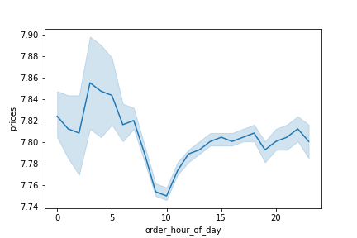

 |  |  |  | KEY
 |  |  |  | 0 - 12:00AM
 |  |  |  | 5 - 5:00AM
 |  |  |  | 10 - 10:00AM
 |  |  |  | 15 - 3:00PM
 |  |  |  | 20 - 8:00PM

 | Figure 3 - Average price (in US dollars) by hour of the day.

On average, people buy the most expensive items in the 3AM hour, but the least expensive in the 10AM hour.

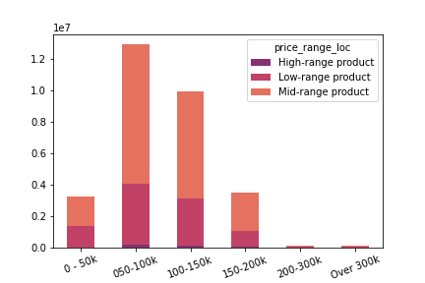
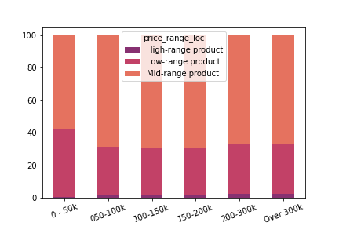
Marketing and sales want to use simpler prices range groupings.
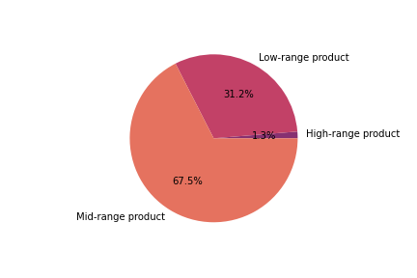

Figure 4 - Distribution of low-range, mid-range, and high-range products. |  |  |  |  |  | Figure 5 - Cumulate orders (by millions) per income category by price ranges |  |  | Figure 6 - 100% bar chart shows orders (by %) per income category by price range.

67.5% of all items purchased on Instacart fall into the mid-range price category. There are very few high-range priced products purchased on Instacart.

The income bracket that purchases the most items from Instacart is those that earn between $50,000 & $100,000 annually. Comparatively, there's barely anyone who earns over $200,000 annually that uses the app.

Those with an income under $50,000 annually purchase about 10% more of low-range products than those with higher incomes. The higher a person's annual income, the more likely they will purchase high-range priced products. However, the amont of high-range priced products purchased is still minimal overall (maybe 2% max for those with incomes over $200,000 annually).

Are there certain types of products that are more popular than others?
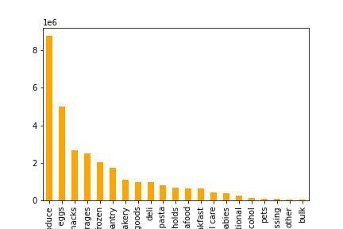

 | Figure 7 - Cumulative orders per department (in millions).

 | The departments with the most orders are produce and dairy eggs.

What's the distribution among users in regards to their brand loyalty?

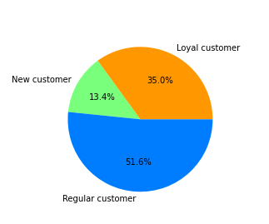

Figure 8 - Distribution of customers in regards to brand loyalty.

Almost 52% of customers regularly use the app. 35% of all customers are very loyal.

Are there differences in ordering habits based on a customer's loyalty status?

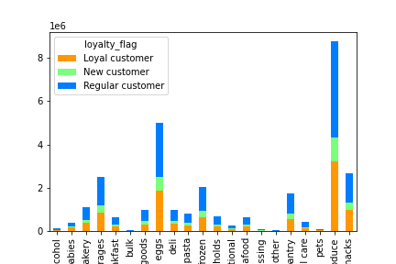
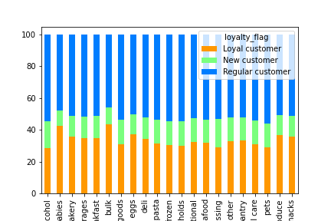

 | Figure 9 - Cumulative orders per department by customer loyalty status (in millions). |  |  |  |  | Figure 10 - 100% stacked bar chart of orders per department by customer loyalty status (in percentages).

While there is not much significant differences, it is worth noting that the departments of babies and bulk have a higher percentage of loyal customers. At the same time, the alcohol, baked goods, and pets departments have the highest percentage among regular customers.

Are there differences in ordering habits based on a customer's region?

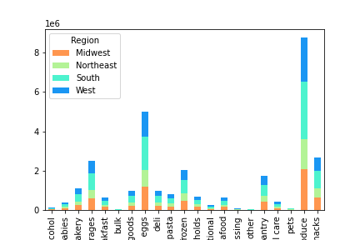
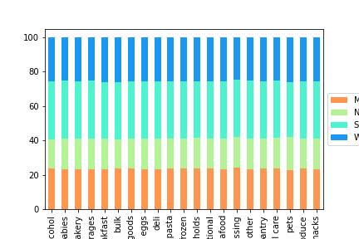

 | Figure 11 - Cumulative orders per department by customer region (in millions). |  |  |  |  | Figure 12 - 100% stacked bar chart of orders per department by region (in percentages).

 | There appears to be no significant difference in ordering habbits between regions.

Is there a connection between age and family status in terms of ordering habits?
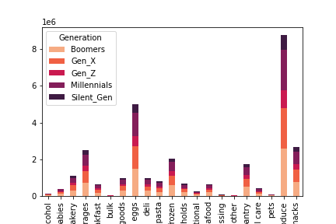
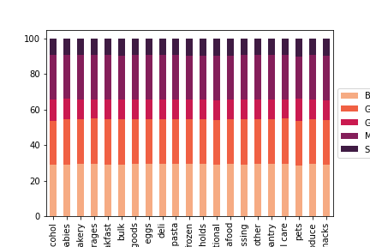

 | Figure 13 - Cumulative orders per department by generations (in millions). |  |  |  |  | Figure 14 - 100% stacked bar chart of orders by generations (in percentages).

 | There appears to be no significant difference in ordering habits by generations.

What different classifications does the demographic information suggest? Age? Income? Certain types of goods? Family status?

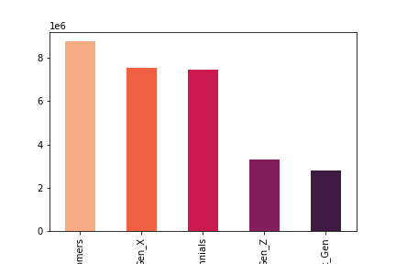
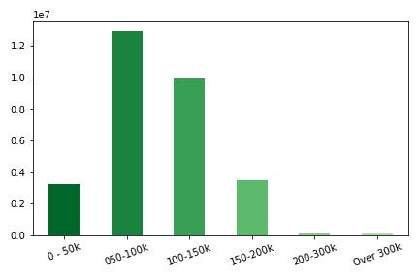

 | Figure 15 - Cumulative orders per generation (in millions). |  |  |  |  | Figure 16 - Cumulative orders per income category (in millions).

Boomers generation make up the majority, but usage is also evenly spread between Gen X'ers and Millenials.

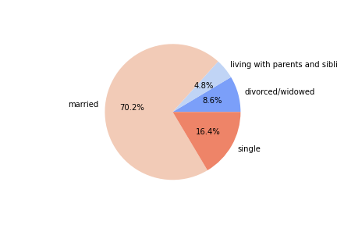
 |  |  |  |  | The majority of users have an average annual income between $50-100K. There's barely an usage for those with an annual income over $200K.
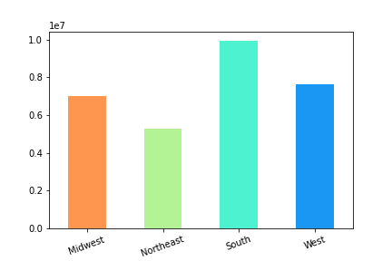

 | Figure 17 - Distribution of customers with regards to family status. |  |  |  |  |  | Figure 18 - Cumulative orders by region (in millions)

 | The overwhlemingly majority of customers are married. |  |  |  |  | The majority of customers are from the South region, followed by West.

What differences can be found in ordering habits of different customer profiles?

 | Figure 19 - Cummulative orders per department by generation (in millions) |  |  |  |  |  | Figure 20 - 100% stacked bar chart of orders by generations (in percentages).

 |  | No significant difference of ordering habits between customer generations.

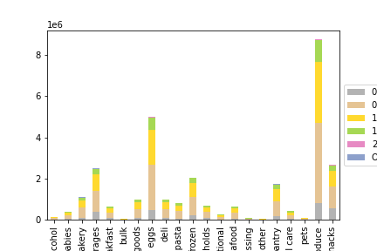
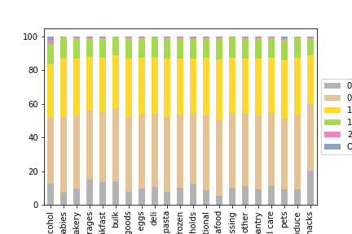

 | Figure 21 - Cummulative orders per department by income ranges (in millions). |  |  |  |  |  | Figure 22 - 100% stacked bar chart of orders by income ranges (in percentages).

The most significant impact customers with an income of $200K or more make is in the alcohol department. Those with an income less than $50K are shoping for snacks the most and meat seafood the least.

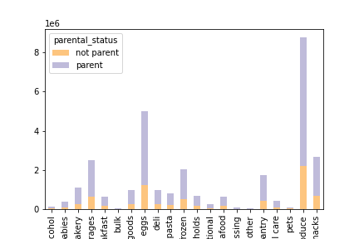
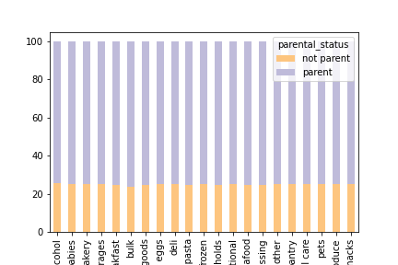

 | Figure 23 - Cumulative orders per department by partental status (in millions). |  |  |  |  |  | Figure 24 - 100% stacked bar chart of orders by parental status (in percentages).

 |  |  | No significant difference of ordering habits between custome parental status.

7. Recommendations
 |  |  |  |  |  |  |  |  |  |  | Title page

Recommendations

In this tab you should include any recommendations you would made to Instcart in terms of their marketing strategy based on the questions posed in the brief. Every key question has been covered in the Tasks of the Exercises - here you need to add an item - a visualisation or table/crosstable that is showing the answer in the data, acompanied by a comment from you. Please, list the questions below and add the answer underneath.

Question
Key Question 1 |  | What are the busiests days of the week & hours of the day?
Key Question 2 |  | What are the hours that people spend the most money?
Key Question 3 |  | What are some simpler price range groupings for Marketing to use?
Key Question 4 |  | Are there cetrain types of products that are more popular than others?
Key Question 5a |  | Are there differences in ordering habits based on a customer's loyalty status?
Key Question 5b |  | Are there differences in orders habits based on a customer's loyalty status?
Key Question 5c |  | Are there differences in orders habits based on a customer's region?
Key Question 5d |  | Is there a connection between age and family status in terms of ordering habits?
Key Question 5e |  | What different classifications does the demograpic information suggest? Age? Income? Certain types of goods? Family Status?
 |  | What differences can be found in ordering habits of different customer profiles?

K.Q.1 Answer

Recommendation:
Advertising
Instacart should put more investment into advertising on the weekends due to the highest amount of activity throughout the week.
Staffing -> Loyalty Increase
With Saturday and Sunday being the most active days, it would help with order processing time to have more staff available on those days. The more orders completed, the shorter the wait time for customers, and thus a desire for customers to want to use Instacart sooner and more often.
 |  |  |  |  |  | KEY
 |  |  |  |  |  | 0 - Saturday
 |  |  |  |  |  | 1 - Sunday
 |  |  |  |  |  | 2 - Monday
 |  |  |  |  |  | 3 - Tuesday
 |  |  |  |  |  | 4 - Wednesday
 |  |  |  |  |  | 5 - Thursday
 |  |  |  |  |  | 6 - Friday

 | Figure 1 - Cumulative orders per day of the week (in millions)

The busiest day of the week is Saturday, while Wednesday is the least busiest.

Recommendation:
Advertising
With the 10am hour being the most active hour and similar high levels of activity going until 3pm daily, Instacart should hyper focus advertisment to that time block to maximize customer views.
 |  |  |  |  |  |  | KEY
 |  |  |  |  |  |  | 0 - 12:00AM
 |  |  |  |  |  |  | 5 - 5:00AM
 |  |  |  |  |  |  | 10 - 10:00AM
 |  |  |  |  |  |  | 15 - 3:00PM
 |  |  |  |  |  |  | 20 - 8:00PM

 | Figure 2 - Cumulative orders per hour of the day (in millions)

The busiest day of the hour of the day is 10AM, while 3AM & 4AM are the least busy.

K.Q.2 Answer

Recommendation:
Advertising
With the highest average cost of items purchased being during the 3AM hour, it's worth noting that usually this is after bars and clubs close. Most likely, people are purchasing alcohol and driving up the cost at that time. It would be beneficial to focus advertisements on that department around that time.
As for the 10AM hour, it's potentially the lowest because that is the time people are looking for items to grab over the lunch hour: snacks, individual meals, minor items. Based on the time information above, it's still worth advertising then, but maybe focused on items in the snacks, deli, beverages, and bakery, departments.

 |  |  |  |  |  |  | KEY
 |  |  |  |  |  |  | 0 - 12:00AM
 |  |  |  |  |  |  | 5 - 5:00AM
 |  |  |  |  |  |  | 10 - 10:00AM
 |  |  |  |  |  |  | 15 - 3:00PM
 |  |  |  |  |  |  | 20 - 8:00PM

 | Figure 3 - Average price (in US dollars) by hour of the day.

On average, people buy the most expensive items in the 3AM hour, but the least expensive in the 10AM hour.

K.Q.3 Answer

Recommendation:
Marketing
Customers with an annual income of less that $50,000 are more likely to purchase low-range products. A focus on marketing those items to that demographic will help to maximize sales in that demographic.
On the opposite side, high-range products, while very minimal in overall sales make up, are purchased most by customers with an annual income of $200,000 or more. Focusing marketing of those items to that demographic will help avoid wasted spending on customers with a smaller income.

Figure 4 - Distribution of low-range, mid-range, and high-range products. |  |  |  |  |  |  |  |  | Figure 5 - Cumulate orders (by millions) per income category by price ranges |  |  | Figure 6 - 100% bar chart shows orders (by %) per income category by price range.

67.5% of all items purchased on Instacart fall into the mid-range price category. There are very few high-range priced products purchased on Instacart.

The income bracket that purchases the most items from Instacart is those that earn between $50,000 & $100,000 annually. Comparatively, there's barely anyone who earns over $200,000 annually that uses the app.

Those with an income under $50,000 annually purchase about 10% more of low-range products than those with higher incomes. The higher a person's annual income, the more likely they will purchase high-range priced products. However, the amont of high-range priced products purchased is still minimal overall (maybe 2% max for those with incomes over $200,000 annually).

K.Q.4 Answer

Recommendation:
Marketing
Produce and dairy eggs are by far the most popular departments. These are clearly areas that don't need a lot of marketing. I would look into reallocating some resources from these departments and moving them to boost other departments.
Sales
With these two departments being so far ahead of the others in popularity, it might help increase revenue to not have as many deals/sales on these two departments. Perhaps shifting deals and sales to the rest of the top 5 departments will drive up their overall sales and continue to increase revenue while not gouging the net revenue of the top two departments.

 | Figure 7 - Cumulative orders per department (in millions).

 | The departments with the most orders are produce and dairy eggs.

K.Q.5a Answer

Recommendation:
Marketing -> Loyalty Increase
While there's a healthy amount of loyal customers at 35%, the 51.3% of regular customers could easily move into the loyal category with a something of a rewards or voucher system. Every 10th order is half off or accumulate so many points to get certain rewards or experiences.
Encouraging people to use the app more to get discounts or rewards could push enough people past the threshold into loyal status. It could also help increase the early usage by new customers to get to the rewards/discounts.

Figure 8 - Distribution of customers in regards to brand loyalty.

K.Q.5b Answer

Recommendation:
Marketing
Loyal customers are more often to the customer purchasing from babies and bulk goods departments than others. Increase marketing of those two departments on loyal status customers and use reallocated funds from the alcohol department to do so. Since we know these customers are already loyal to us, trying to increase alcohol sales will stall out and not be fruitful, especially if they're parents and are spending more on babies/bulk items. Market to what they need the most to maximize those sales.

 | Figure 9 - Cumulative orders per department by customer loyalty status (in millions). |  |  |  |  |  |  |  | Figure 10 - 100% stacked bar chart of orders per department by customer loyalty status (in percentages).

While there is not much significant differences, it is worth noting that the departments of babies and bulk have a higher percentage of loyal customers. At the same time, the alcohol, baked goods, and pets departments have the highest percentage among regular customers.

K.Q.5c Answer

Recommendation:
None
Sincere there is no significant difference, it's not worth making any changes regarding current practices.

 | Figure 11 - Cumulative orders per department by customer region (in millions). |  |  |  |  |  |  |  | Figure 12 - 100% stacked bar chart of orders per department by region (in percentages).

 |  |  |  |  | There appears to be no significant difference in ordering habbits between regions.

K.Q.5d Answer

Recommendation:
None
Sincere there is no significant difference, it's not worth making any changes regarding current practices.

 | Figure 13 - Cumulative orders per department by generations (in millions). |  |  |  |  |  |  |  | Figure 14 - 100% stacked bar chart of orders by generations (in percentages).

 |  |  | There appears to be no significant difference in ordering habits by generations.

K.Q.5e Answer

Generations |  |  |  |  |  |  |  | Income Ranges

Recommendation:
The Who
The Boomer generation is just slightly ahed of Millenials and Gen X when it come to usage. Focus efforts on appealing to those generations.
At the same time keep in mind that nearly all customers have an annual income of less that $200,000. Make sure to sell and market goods that don't overdo people's budgets, esepcially when most fall into the $50-100,000 range.
Most customers are maried, keep that in mind when highlighting products that are geared towards single culture.
If there's a place worth putting effort into growing, it's the states that make up the US Northeast. There's definitely more research that can be done to determine why the region is only half as invested in Instacart as the US South.

 | Figure 15 - Cumulative orders per generation (in millions). |  |  |  |  |  |  |  | Figure 16 - Cumulative orders per income category (in millions).

Boomers generation make up the majority, but usage is also evenly spread between Gen X'ers and Millenials.

 |  |  |  | The majority of users have an average annual income between $50-100K. There's barely an usage for those with an annual income over $200K.

 | Family Status |  |  |  |  |  |  | Regional Breakdown

 | Figure 17 - Distribution of customers with regards to family status. |  |  |  |  |  |  |  |  | Figure 18 - Cumulative orders by region (in millions)

 | The overwhlemingly majority of customers are married. |  |  |  |  |  |  |  | The majority of customers are from the South region, followed by West.

K.Q.5f Answer

Recommendation:
IntstacartX
For those with an annual income over $200,000, the alcohol department is where they make their biggest impact felt at Instacart. It would be worth looking further into how much high priced items are spent by those customers. It could be worth creating a different experience for those customers that highlight the more expensive items we have to offer: alcohol, high end meats, exotic foods.
Snack Bundles
Those with incomes under $50,000 annually tends to buy snacks more often. It would be worth looking into sending up combo deals for snacks and beverages or deli items to help increase sales in other departments while benefiting off the success of the snacks department.

 | Figure 19 - Cummulative orders per department by generation (in millions) |  |  |  |  |  |  |  |  | Figure 20 - 100% stacked bar chart of orders by generations (in percentages).

 |  |  |  |  | No significant difference of ordering habits between customer generations.

 | Figure 21 - Cummulative orders per department by income ranges (in millions). |  |  |  |  |  |  |  |  | Figure 22 - 100% stacked bar chart of orders by income ranges (in percentages).

 | The most significant impact customers with an income of $200K or more make is in the alcohol department. Those with an income less than $50K are shoping for snacks the most and meat seafood the least.

 | Figure 23 - Cumulative orders per department by partental status (in millions). |  |  |  |  |  |  |  |  | Figure 24 - 100% stacked bar chart of orders by parental status (in percentages).

 |  |  |  |  | No significant difference of ordering habits between custome parental status.

